1. Title Page
Instacart Grocery Basket Analysis

Project Name: Instacart Grocery Basket Analysis
Date: December 20, 2022
Analyst Name: Pauline Gideon

Contents:
Population Flow
Consistency checks
Wrangling steps
Column derivations
Visualizations
Recommendations

Data

Citation: “The Instacart Online Grocery Shopping Dataset 2017”, Accessed from https://www.instacart.com/datasets/grocery-shopping-2017 on November 18, 2022.
Note: The 'Customer' dataset and 'prices' column (in the 'Products' dataset) were fabricated for this course and used for learning purposes only.

2. Population Flow
Population flow

Exclusion flag
Condition: max_order < 5
Obervations to be removed: 1,440,295
Final total count of order_products_all: 30,964,564

Orders_products_combined
Orders_products_merged
Orders_products_all

Total: 32,404,859
Total: 32,434,489
Total: 32,404,859

3. Consistency checks
Consistency checks

Dataset | Missing values | Missing values treatment | Duplicates
orders | 26,209 - NaN values | Assumption: NaN values are first-time orders. Changed NaN values to '-1' to ensure same datatype in column and to differentiate between existing '0' values (which may be same-day orders). *See notes below. | No duplicates
products | 16 - NaN values | created new dataframe with non-missing values | 5 Duplicates removed | *5,127 outlier 'prices' (>$100) were changed to NaN
orders_products_prior | No missing values | - | No duplicates
customers | No missing values | - | No duplicates
departments | n/a | n/a | n/a | *dataframe was transposed and made into data dictionary

*Exploring the data further, we can confirm that the missing values in days_since_prior_order are indeed first-time orders: there are 206,209 missing values in the column (NaN),
as well as 206,209 unique user_id's. Therefore, the dataframe is made up of 206,209 customers - each with a first order (listed as NaN).

 |  |  | Crosstab of 'days_since_prior_order' and 'order_number of df_ords (prior to merges)

 |  |  |  |  | order_number
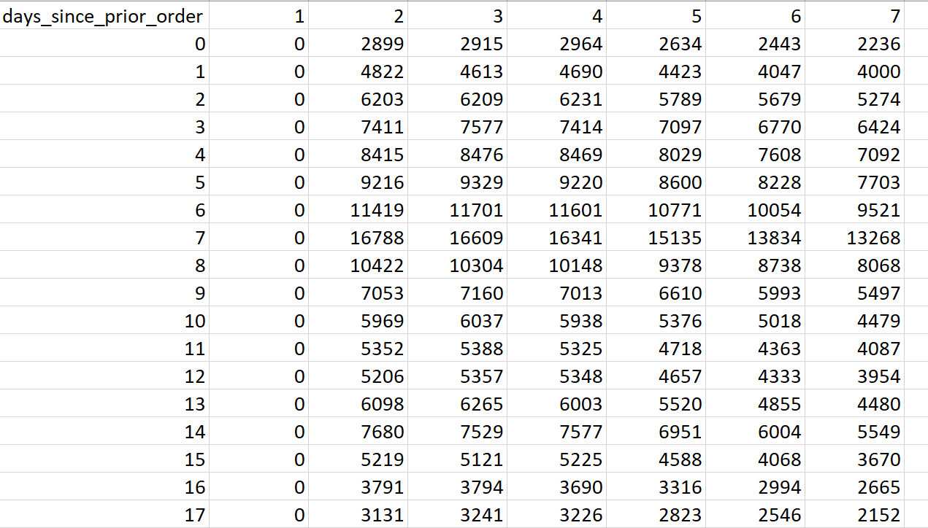

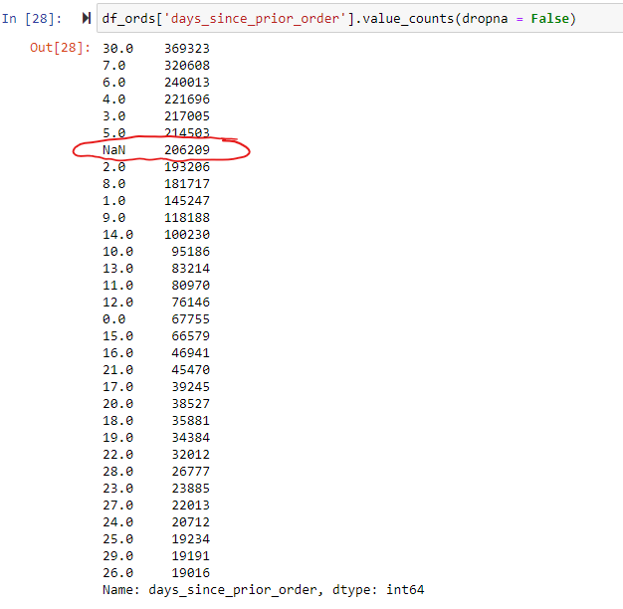

 |  |  | All values in the first column (order_number value '1') are zero. This supports the initial
 |  |  | assumption that the missing values are first-time orders; so, we may diregard them.

4. Wrangling steps
Wrangling steps

Columns dropped | Columns renamed | Columns' type changed | Comment/Reason
df_ords: eval_set |  |  | has one value (label) - not relevant to analysis
 | df_ords: order_dow to orders_day_of_week |  | easier to understand language
 | df_ords: order_hour_of_day to order_time_of_day |  | easier to understand language
 | df_customers: First Name to first_name |  | to follow established column naming standards
 | df_customers: Surnam to surname |  | to follow established column naming standards (& add missing letter)
 | df_customers: Gender to gender |  | to follow established column naming standards
 | df_customers: STATE to state |  | to follow established column naming standards
 | df_customers: Age to age |  | to follow established column naming standards
 | df_customers: n_dependants to number_of_dependants |  | to follow established column naming standards (and make easier to understand)
 |  | df_customers: first_name: changed all to 'str' | to correct mixed data in column
df_ords_prods_all: first_name; surname |  |  | PII data removed for privacy; not necessary for analysis
df_ords_prods_all: activity_flag |  |  | excluded low-activity customers from dataset; therefore, no longer need column

5. Column derivations
Column derivations and aggregations

Dataset | New column | Column/s it was derived from | Conditions
ords_prods_merge | price_range_loc | prices | < 5: Low-range product; > 5 & <= 15: Mid-range product; > 15: High-range product
 | busiest_day | orders_day_of_week | the day with most orders: Busiest day; the day with least orders: Least busy; the remaining days: Regularly busy
 | busiest_day_new | orders_day_of_week | 2 days with most orders: Busiest days; 2 days with least orders: Slowest days; remaining days: Regularly busy
 | busiest_period_of_day | order_time_of_day | 8 times_of_day with most orders: Most orders; 8 times_of_day with least orders: Fewest orders; remaining 8 times_of_day: Average orders
 | max_order | user_id & order_number | aggregate of max number of orders for each user
 | loyalty_flag | max_order | <= 10: New customer; > 10 & <= 40: Regular customer; > 40: Loyal customer
 | average_price | user_id & prices | aggregate of average price of items spent by each user
 | spending_flag | average_price | < 10: Low spender; >= 10: High spender
 | median_days_since_prior_order | user_id & days_since_prior_order | aggregate of median days since prior order for each user
 | order_frequency_flag | median_days_since_prior_order | <= 10: Frequent customer; > 10 & <= 20: Regular customer; > 20: Non-frequent customer
ords_prods_all | region | state | divided into 4 regions: Northeast, Midwest, West and South
 | activity_flag | max_order | < 5: Low-activity customer; >= 5: Active customer
 | age_range | age | < 35: Young adult; >= 35 & < 50: Early middle-age adult; >= 50 & < 65: Late middle-age adult; >= 65: Older adult
 | income_range | income | < 100,000: Below average income; >= 100,000 & < 200,000: Above average income; >= 200,000 & < 300,000: High income; >= 300,000: Very high income
 | family_size | number_of_dependents | < 1: Single adult; >= 1 & < 2: Small family; >= 2 & < 3: Medium family; >= 3: Large family

Age:
Young adult: < 35 years
Early middle-age adult: >= 35 & < 50 years
Late middle-age adult: >= 50 & < 65 years
Older adult: >= 65 years

Family size:
Single adult: < 1 dependant
Small family: >= 1 & < 2 dependants
Medium family: >= 2 & < 3 dependants
Large family: >= 3 dependants

Income:
Below average income: < $100,000
Above average income: >= $100,000 & < $200,000
High income: >= $200,000 & < $300,000
Very high income: >= $300,000:

6. Visualizations
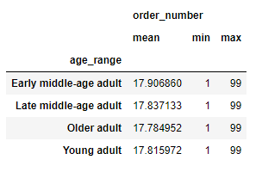
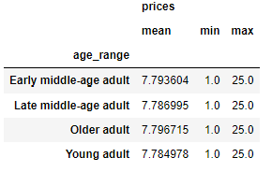
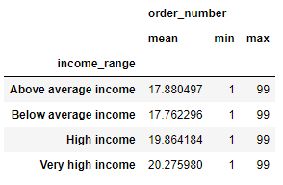
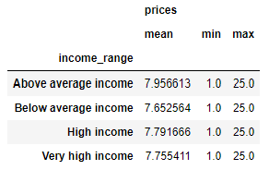
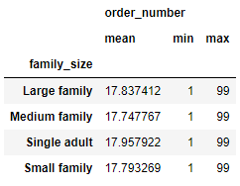
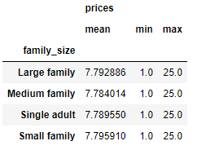
Visualizations

 | Bar Chart: Frequency of 'orders_day_of_week'

 | Orders by Day of Week

 |  |  |  |  | 0 = Saturday
 |  |  |  |  | 1 = Sunday
 |  |  |  |  | 2 = Monday
 |  |  |  |  | 3 = Tuesday
 |  |  |  |  | 4 = Wednesday
 |  |  |  |  | 5 = Thursday
 |  |  |  |  | 6 = Friday

 | Frequency

 | Day of Week

 | What are the busiest days of the week?
 | Saturday (0) is the busiest day of the week, followed by Sunday (1)

 | Histogram: Frequency of 'order_time_of_day'

 | Orders by Time of Day


 | Time (24 hour clock)

 | What are the busiest hours of the day?
 | Most orders occur between 10am and 4pm. The busiest hour is 10am, followed by 11am.

 | Line Chart: 'prices' by 'order_time_of_day'

 | Prices by Time of Day


 | Time (24 hour clock)

 | Are there particular times of day when people spend the most money?
 | Most money is spent very early in the morning, between 3am & 4am,
 | then between 6am and 7am, followed by late in the evening (between 10pm & midnight).
 | These must be high value orders, as they are not the busiest times of day.

 | Line Chart: 'prices' by 'orders_day_of_week' using data sample (30%)

 | Prices by Day of Week
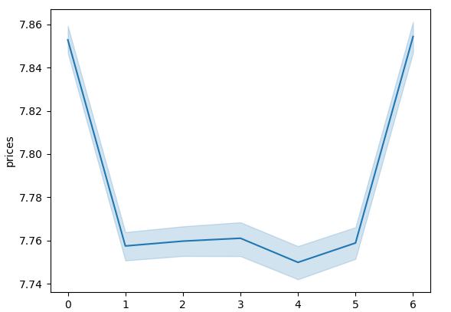

 | Day of Week

 | On which days do people spend the most money?
 | Most money is spent on Friday (6), followed by Saturday (0). There must be more high value orders on Friday,
 | since Saturday and Sunday have more orders.

 | Histogram: Frequency of 'prices' column

 | Orders by Price


 |  |  |  |  | After exclusion:

 | Price ($)

 | Instacart has a lot of products with different price tags. Marketing and sales want to use simpler price range groupings to help direct their efforts.
 | Most products sold are between $1 and $15, with fewer high priced items between $15 and $25 sold.

 | Bar & Pie Charts: Frequency of 'loyalty_flag' column

 | Orders by Customer Loyalty Category

 |  |  |  |  | Regular customer: maximum number of orders greater than 10 and less than or equal to 40;
 |  |  |  |  | Loyal customer: maximum number of orders greater than 40.
 |  |  |  |  | New customer: maximum number of orders less than or equal to 10;
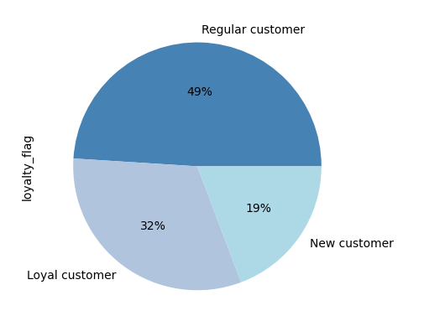

Frequency

 |  | Regular customer | Loyal customer | New customer

 | What's the distribution among users in regards to their brand loyalty (ie. How often do they return to Instacart?)
 | Most users are regular customers, followed by loyal customers and then new customers.

 | Bar Chart: Frequency of 'department_id' column (mapped 'department_name')

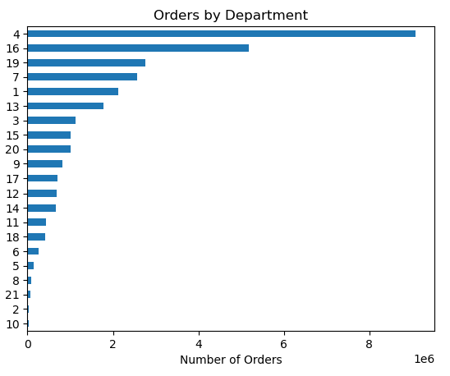
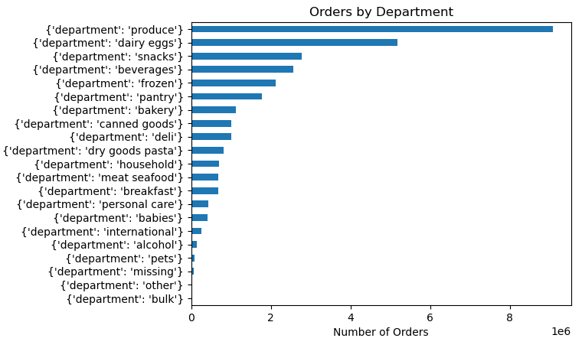

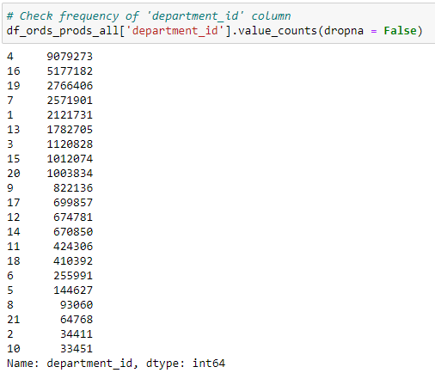

 | Are there certain types of products that are more popular than others? The marketing and sales teams want to know which departments have the highest frequency of product orders.
 | Produce, dairy & eggs and snacks are the most popular departments. Missing, other and bulk are the least popular.

 | Horizontal Bar Chart: 'spending_flag' by 'region'

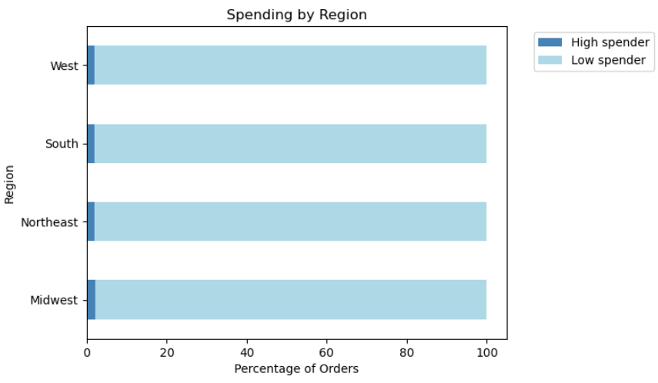
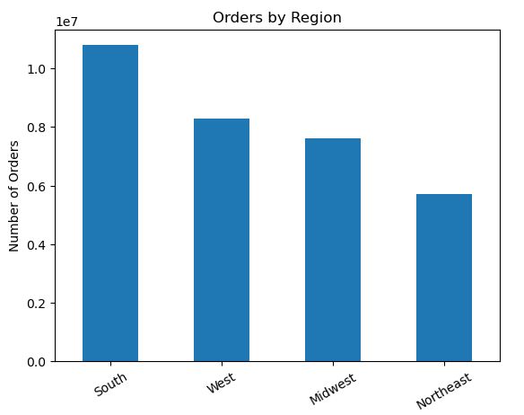

 |  |  |  |  | High spender: mean product price >= $10
 |  |  |  |  | Low spender: mean product price < $10
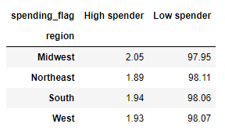

 |  |  |  |  |  | Percentages

 | Are there differences in ordering habits based on a customer’s region?
 | There is no difference in the overall spending habits of customers by region. High spenders account for only 2% of orders in all regions. However the South has the most number of orders, followed by the West.

 | Line Chart: 'age' vs 'number_of_dependents'

 |  | Average Number of Dependants by Age


 | The number of dependents varies unpredictably with age, with 60-year-olds having the highest number of dependents.

 | Line Chart: 'age' vs 'number_of_dependents'

 |  | Income by Age


 | The vast majority of users have an income below $200,000. From the graph, it seems that there is not a
 | direct correlation between age and income.
 | Some younger customers have high salaries; and some older customers have low salaries.
 | However, more customers that are between the ages of 40 and 80 have salaries over $200,000 than customers younger than 40.
 | Also, only customers above 40 earn over $400,000.

 | Bar Charts: 'loyalty_flag' vs 'spending_flag' & 'loyalty_flag' vs 'order_frequency_flag'

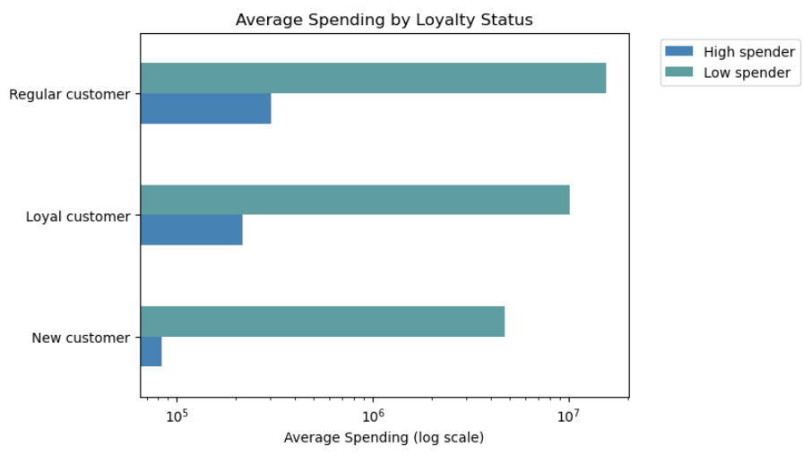
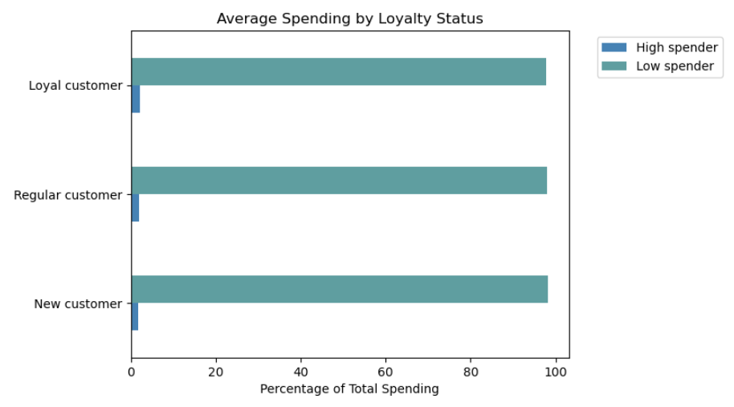

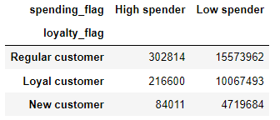
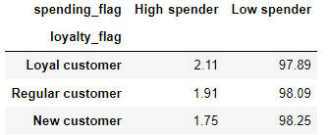

 |  |  |  |  |  |  |  |  | Percentages

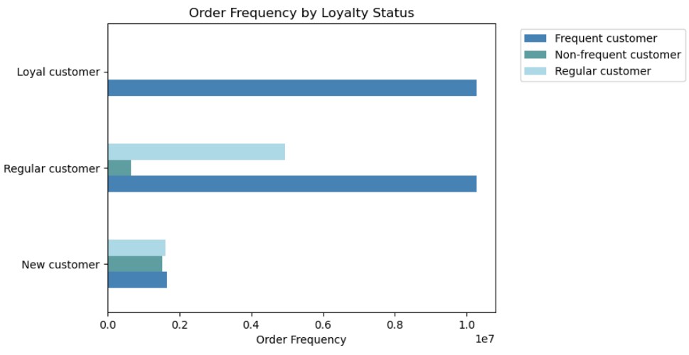
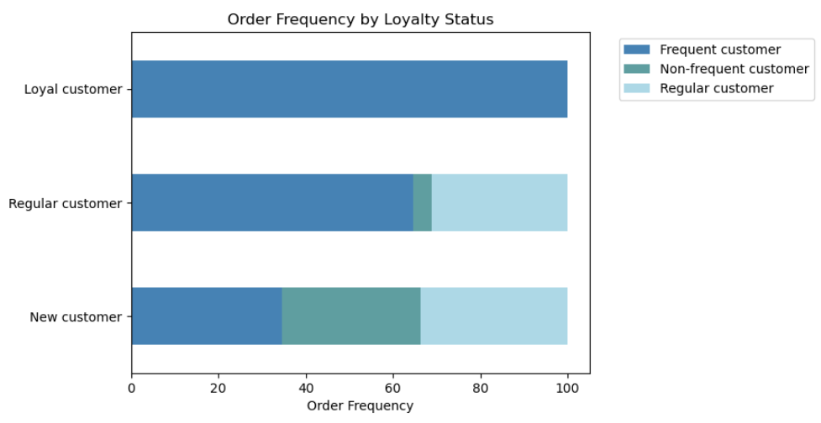

 |  |  |  |  |  |  |  |  |  |  | Percentages

 | Are there differences in ordering habits based on a customer’s loyalty status?
 | In terms of average spending, there are slight differences between customer loyalty. 2.11% of Loyal customers are high spenders, followed by 1.91% of Regular customers and 1.75% of New customers.
 | In terms of order frequency, 99.98% of Loyal customers are frequent users; whereas 65% of Regular customers order frequently and only 35% of New customers make frequent orders.

 | Bar Chart: 'age' vs 'order_frequency_flag'

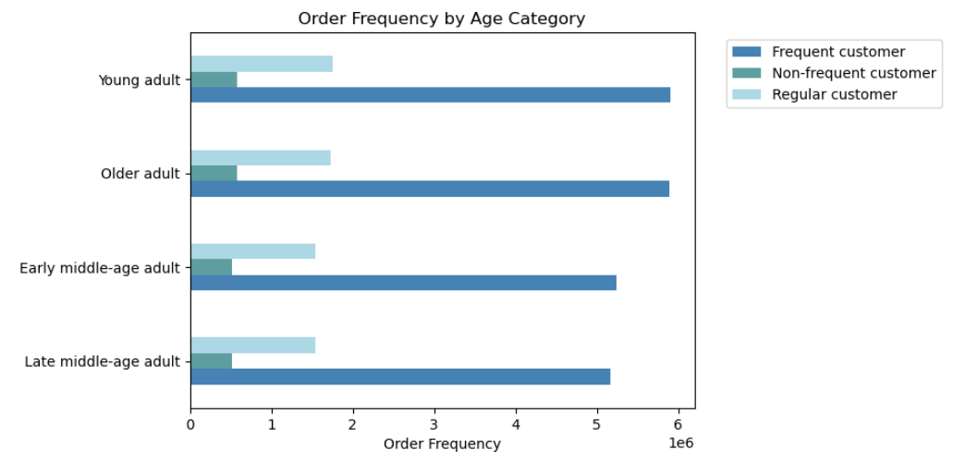

 |  |  |  |  |  |  |  |  | Percentages

 |  |  |  |  |  |  | Young adult: < 35
 |  |  |  |  |  |  | Early middle-age adult: >= 35 & < 50
 |  |  |  |  |  |  | Late middle-age adult: >= 50 & < 65
 |  |  |  |  |  |  | Older adult: > 65

 | Is there a connection between age and family status in terms of ordering habits?
 | In terms of ordering frequency, Young adults and older adults order the most frequently

 | Bar Chart: 'fam_status' vs 'order_frequency_flag'

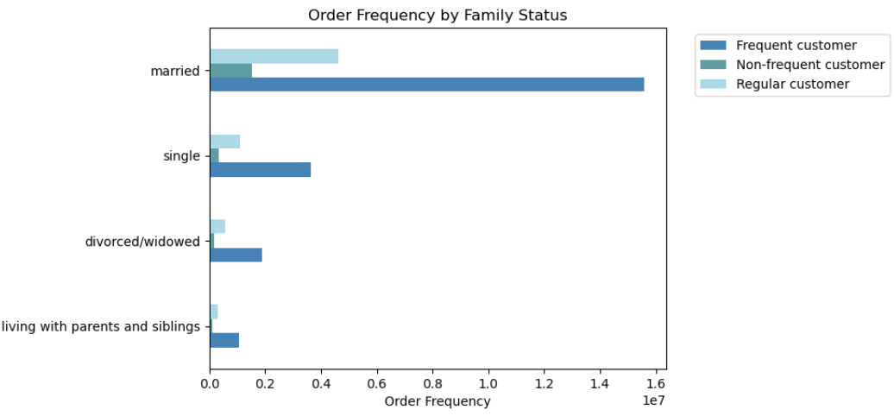

 |  |  |  |  |  |  |  |  |  | Percentages

 | Bar Chart: 'family_size' vs 'order_frequency_flag'

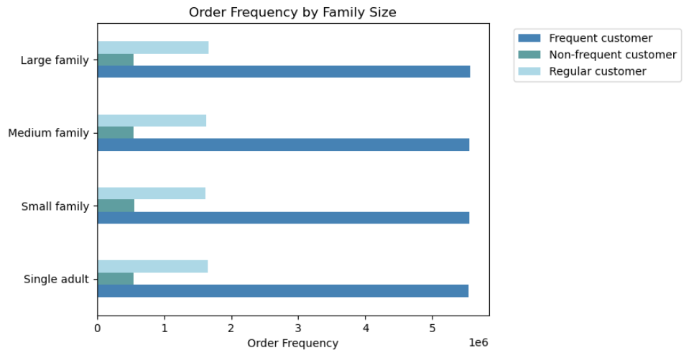

 |  |  |  |  |  |  |  |  |  | Percentages

 | Bar Chart: 'age_range' vs 'spending_flag'

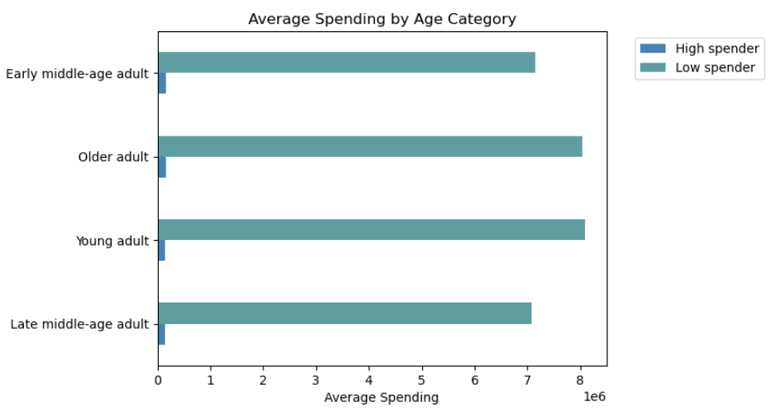
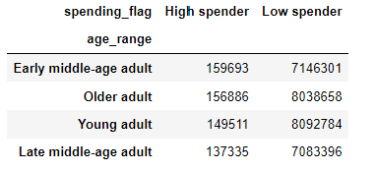

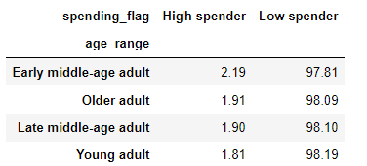

 |  |  |  |  |  |  |  | Percentages

 | Bar Chart: 'fam_status' vs 'spending_flag'

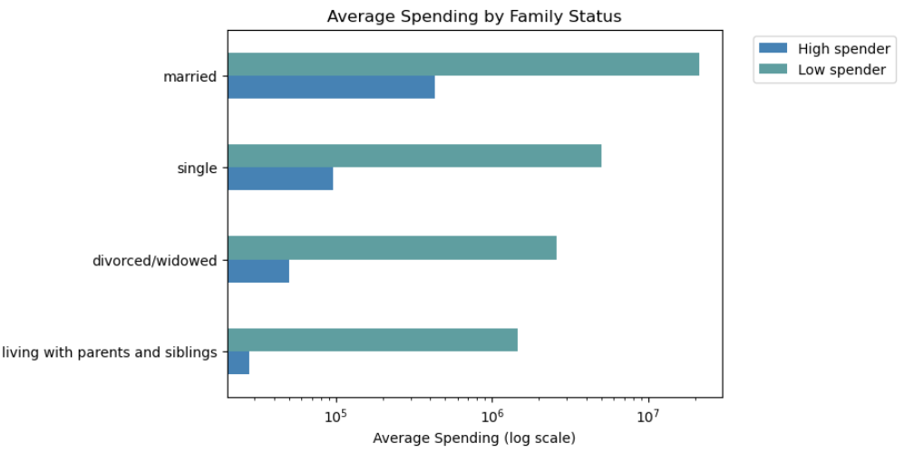
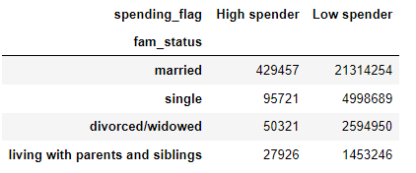

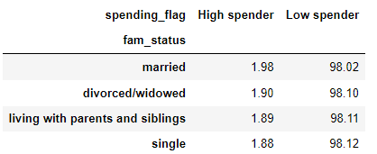

 |  |  |  |  |  |  |  |  | Percentages

 | Bar Chart: 'fam_status' vs 'spending_flag'
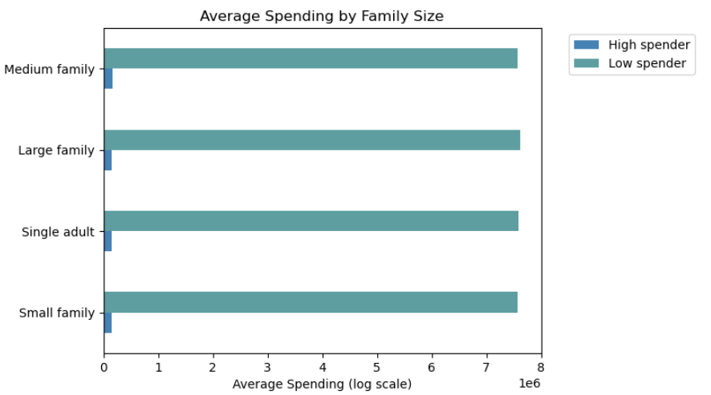

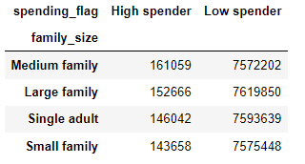

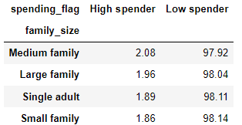

 |  |  |  |  |  |  |  | Percentages

 | Bar Chart: 'income' vs 'order_frequency_flag'

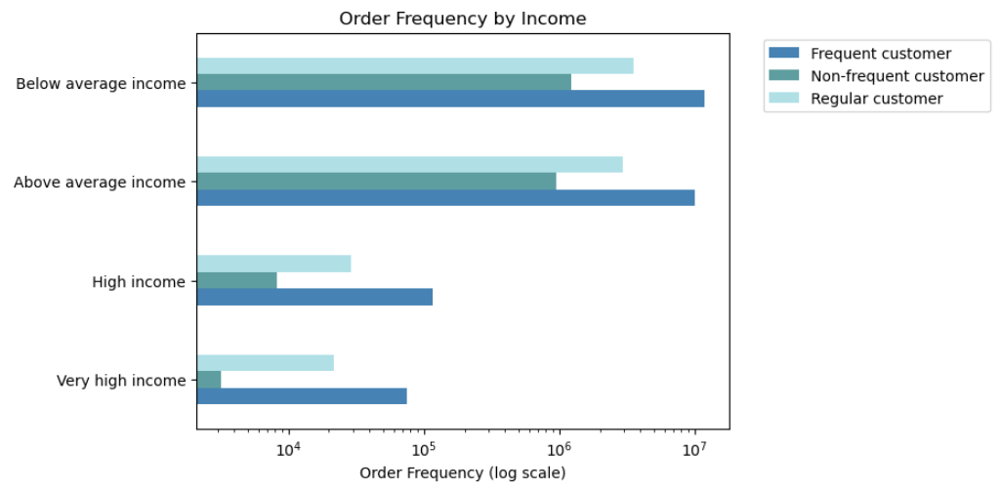

 |  |  |  |  |  |  |  |  | Percentages

 | Bar Chart: 'income' vs 'spending_flag'

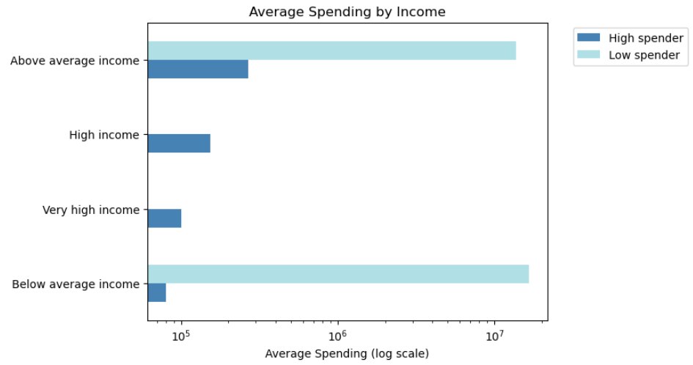
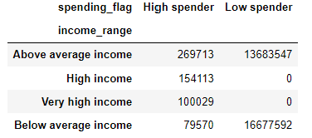

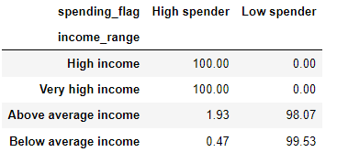

 |  |  |  |  |  |  |  | Percentages

 | Aggregating the max, mean and min for usage frequency (order_number) and expenditure (prices)

7. Recommendations
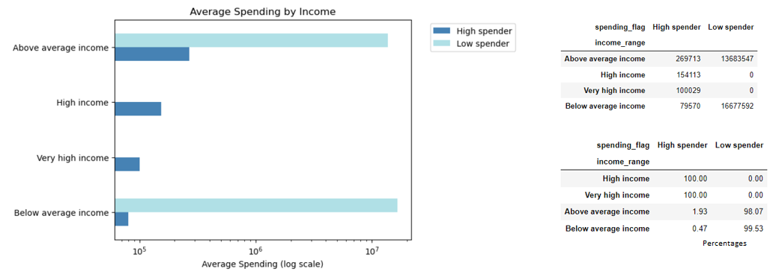
Recommendations

 | Data Review:

 | Low-activity customers (with less than 5 orders each) have been excluded from the merged data set.
 | Therefore, the final data set contains a total of 30,964,564 observations, 162,631 unique users and 3,064,375 baskets.

 | Key Questions | Answers | Recommendations

 | Days & Times
1 | What are the busiest days of the week and hours of the day (most orders)? The sales team would like to schedule ads at times when there are fewer orders. | 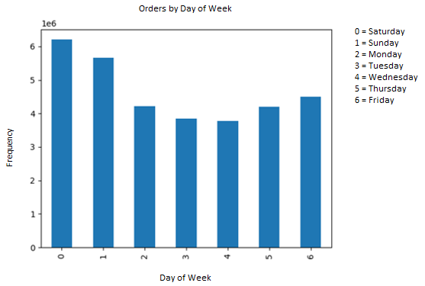 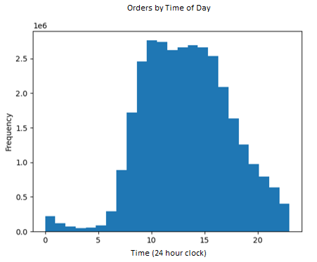 Saturday (0) is the busiest day of the week, followed by Sunday (1). Tuesday is the least busy day, followed by Wednesday and then Thursday. Most orders occur between 10am and 4pm. The busiest hour is 10am, followed by 11am. The fewest orders occur between midnight and 6am. Orders start to pick up around 7am, reaching a peak at 10am and continuing strong to 4pm. Then orders gradually decrease from 4pm to 12am midnight. | The best (least busy) times for the sales team to schedule ads are on Tuesdays, Wednesdays,and Thursdays between the hours of 6pm and 10pm. They may also want to schedule ads for early morning between 6am and 8am.

2 | Are there particular times of the day when people spend the most money? As this might inform the type of products they advertise at these times. | 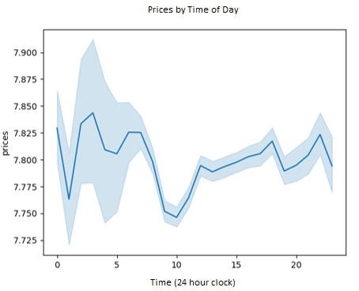 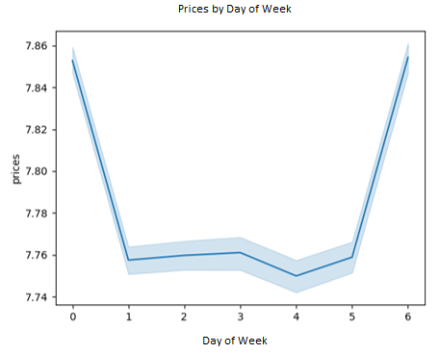 Most money is spent very early in the morning, between 3am & 4am, then between 6am and 7am, followed by late in the evening (between 10pm & midnight). These must be high value orders, as they are not the busiest times of day. Also, most money is spent on Fridays and Saturdays. There must be high value orders on Friday, since it is not the busiest day. | More analysis is needed to see what types of products are being ordered at these very early or very late times, to inform what types of products to advertise. Preparing for the weekend and entertaining may be a factor in the higher spend times/days.

 | Products
3 | Instacart has a lot of products with different price tags. Marketing and sales want to use simpler price range groupings to help direct their efforts. | 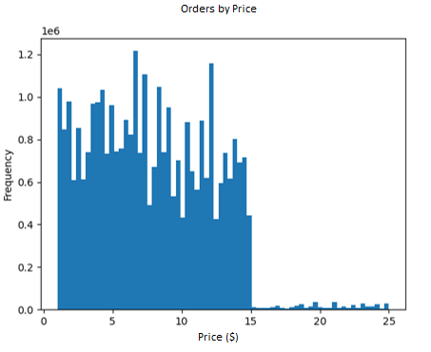 Most products sold are between $1 and $15, with very few high-priced items (between $15 and $25) sold. * add crosstab of department vs. product price range | The Mid-range prices contribute to the vast majority of orders/sales. To help the marketing and sales teams direct their efforts more effectively, we could further segment this range to find more insights.

4 | Are there certain types of products that are more popular than others? The marketing and sales teams want to know which departments have the highest frequency of product orders. | 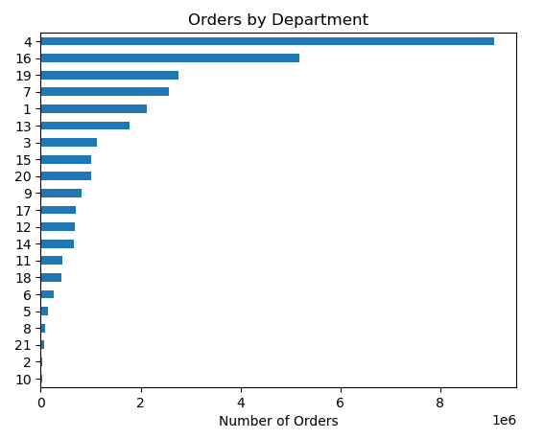 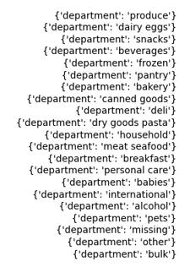 Products in the 'produce' department are the most popular with 9,072,273 orders, followed by 'dairy & eggs' at 5,177,182 orders and then 'snacks' at 2,766,406. The least popular items are in 'missing', 'other' and 'bulk' departments, with a total of 132,630 orders. | Online grocery shoppers check competitors' prices regularly. To attract new customers and maintain existing ones, Instacart will want to make sure that there most popular products/departments are competitively priced.

 | Customer Behaviour
5 | What’s the distribution among users in regards to their brand loyalty (i.e., how often do they return to Instacart)? | 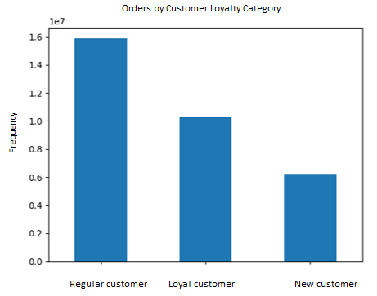 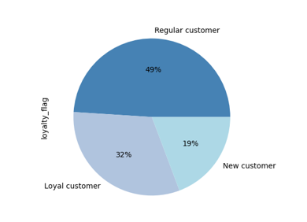 Regular customers account for 49% of all orders, followed by loyal customers at 32% and then new customers at 19%. | Again, to maintain and increase the loyalty of customers, Instacart must price the most popular items competitively.

6 | Are there differences in ordering habits based on a customer’s loyalty status? | 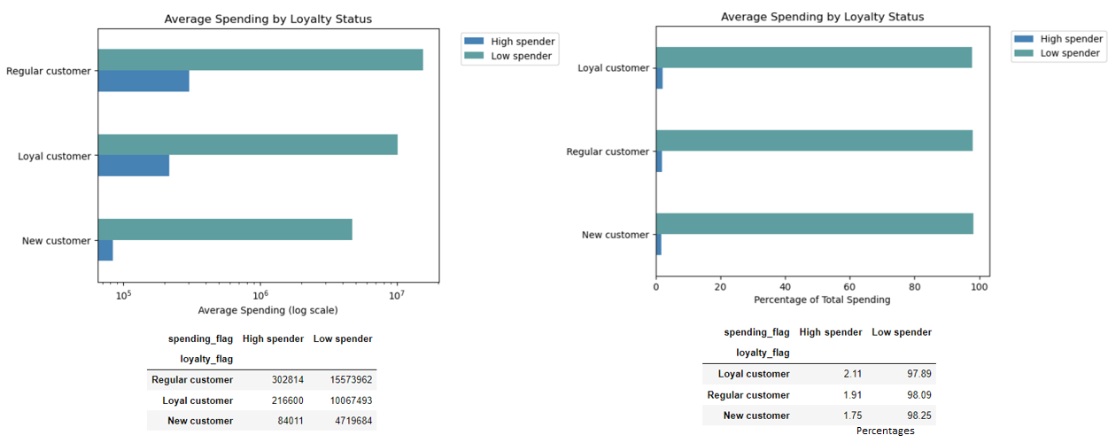 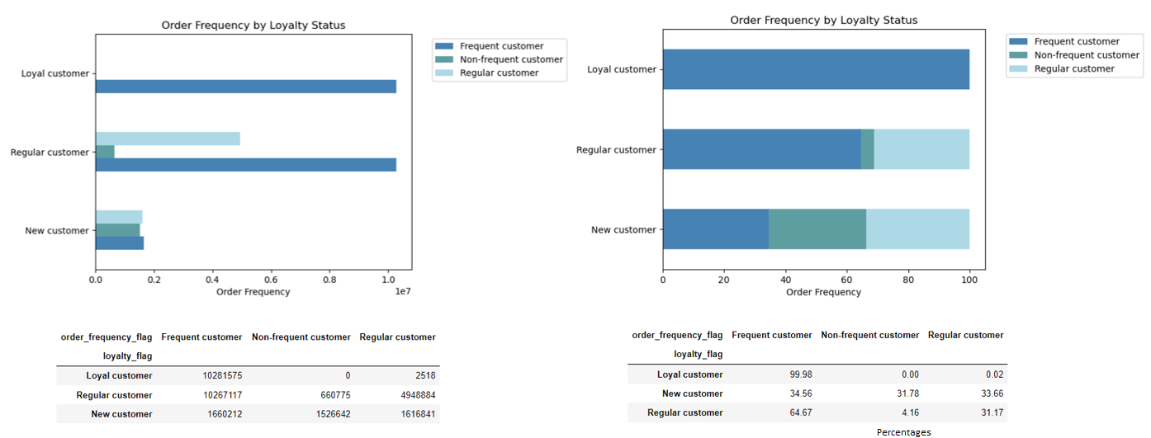 In terms of average spending, there are slight differences between customer loyalty. 2.11% of Loyal customers are high spenders, followed by 1.91% of Regular customers and 1.75% of New customers. In terms of order frequency, 99.98% of Loyal customers are frequent users; whereas 65% of Regular customers order frequently and only 35% of New customers make frequent orders. | Instacart may want to offer more promotions and discounts if they would like to increase the spending with each order of all customers. Loyal customers are very frequent users of the app. Instacart needs to target Regular and New customers with special offers and reminders to increase their order frequency.

 |  |  |  | bbbbb

7 | Are there differences in ordering habits based on a customer’s region? |   The South Region has the highest number of orders, followed by the West. But, in terms of average product price, there is minimal difference in spending between customers in each region. High spenders account for approximately 2% of orders in all regions. | Instacart will need to review each region's orders regularly and make sure that it can service its busiest markets adequately.

8 | Is there a connection between age and family status in terms of ordering habits? | Young adults and older adults are the most frequent app users and spend more overall. 'Frequent customers' account for approximately 72% of each age category, followed by Regular customers at 21% and Non-frequent customers at 7%. Married customers are the most frequent users of the app and spend the most overall. However, in terms of proportions, each family status category has about 71 - 73% 'Frequent customers, 20 - 22% 'Regular customers and 7% 'Non-frequent customers'. Roughly 2% of each age category and each family status category have 2% of 'High spenders'. | Instacart needs to appeal to the different age and family status categories with appropriate advertising campaigns and offers.

9 | What different classifications does the demographic information suggest? Age? Income? Certain types of goods? Family status? |     Summary of demographics: Instacart customers are between the ages of 18 and 81 years, with an average age of 49 years. The average salary of an instacart user is $99,676, with a maximum income of $593,901. Instacart customers have between zero and 3 dependants. The vast majority of instacart orders are among 'married' customers, followed by 'single', 'divorced/widowed' and 'living with parents and siblings'. Although 60 years olds have the highest average number of dependants, there is no pattern between age and number of dependants. Therefore, these two characteristics can be classified separately. There is also not a clear pattern between age and income; however, incomes over $400,000 are only among customers that are over 40 years old. |  There is a broad range of ages, incomes, number of dependants and types of products purchased. Therefore, it is important for Instacart to segment these populations to gain insights into their customer's ordering habits. The following classifications have been created/used:

 |  |  |  | Number of Orders

10 | What differences can you find in ordering habits of different customer profiles? Consider the price of orders, the frequency of orders, the products customers are ordering, and anything else you can think of. |   There is not much difference in the ordering frequency of the different family sizes (number of dependents), with 72% frequent users in each category. 'High spenders' range from 2.08% of Medium family size to 1.86% of Small family size. Overall spending is close in all sizes of families. There is more variability in ordering frequency and expenditures among the different income brackets. Although they account for less orders overall, 100% of customers with income above $200,000 are 'High spenders', compared with 2% of above average income customers and only 0.5% of below average income customers. However, customers with lower incomes have the highest overall order frequencies, but with lower percentages than high income customers. | High income earners are the exception and Instacart needs to continue to market to customers that earn $200,000 or less and provide competitive prices and promotions.

